Plan1
 |  | Pot de saída | 11847.227524
Vi | 440
Io_rms | 20 |  |  | Ref: Analytical Modeling of Semiconductor Losses in Matrix Converter
Vout_rms | 380
Vceo | 0
Vfo | 0 |  |  | P_cond | 196.8
Io | 28.284271247
rce | 0.13
rf | 0.034 |  |  | P_sw | 130.96022314
fs | 20000
Eon_t | 0.00085
Eoff_t | 0.0002 |  |  | Total | 327.76022314
Err_d | 0.0016 |  |  |  |  |  | Rendimento | 97.233%
V_data | 600
I_data | 25
 |  |  |  | Ref: Semiconductor Power Loss Comparison of Space-Vector Modulated Direct and Indirect Matrix Converter
k0 | -0.3142
k1 | 0.682 |  |  | Pcon | 157.19844405
k2 | -0.0555
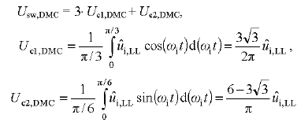
k3 | 0.0017 |  |  | Usw_dmc | 1040.0040109
 |  |  |  | P_sw | 73.49361677
 |  | y = 0,0017x3 - 0,0555x2 + 0,682x - 0,3154

 |  |  |  | Total | 230.69206082

 |  |  |  |  |  |  | Rendimento | 98.053%

 |  |  |  | Ref: Analysis and evaluation of bi-directional power switch losses for matrix converter drive

 |  |  |  | Pcond/fase | 65.6 | Total | 196.8

 |  |  |  | P_sw | 51.552218237 | Total | 154.65665471

 |  |  |  |  |  | Total | 351.45665471

 |  |  |  |  |  | Rendimento | 97.033%

Plan2
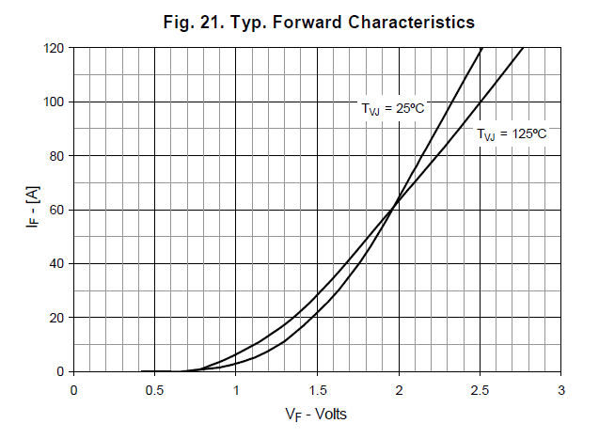
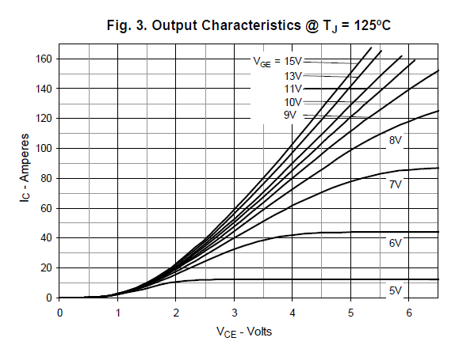

x | y
0 | 0
1.1 | 5
1.45 | 10
1.75 | 15
1.9 | 20
2.1 | 25 | 1.4646125
2.2 | 30
2.4 | 35
2.5 | 40
2.6 | 45
2.75 | 50
2.85 | 55
3 | 60
3.15 | 65
3.25 | 70
3.45 | 75
3.5 | 80

 | 3.5

Plan3
 |  | Mec B
 |  |  | Pot de saída | 16666.8
 | Vi | 440 |  |  | Mec C |  |  | Mec D
 | Io_rms | 17 | 24 | 31 | 38 | 45 |  |  |  | Ref: Analytical Modeling of Semiconductor Losses in Matrix Converter
 | Vout_rms | 380
 | Vceo | 0 | 0 | 0 | 0 | 0
 | Vfo | 0 | 0 | 0 | 0 | 0 |  |  |  | P_cond | 112.71
 | Io | 24.04163056 | 33.941125497 | 43.840620434 | 53.74011537 | 63.639610307
 | Rds | 0.13 | 0.13 | 0.13 | 0.13 | 0.13

 | Eon_t | 0.00085 | p/ 125ºC, 600V e 40A
 | Eoff_t | 0.0002 | p/ 125ºC, 600V e 40A |  |  |  |  |  |  | Total | 156.81641477
 | Err_d | 0 |  |  |  |  |  |  |  |  |  |  | Rendimento | 99.059%
 | V_data | 600
 | I_data | 25
Perdas do conversor DMC

 |  |  |  |  | 17A | 24A | 31A | 38A | 45A
 | fs | 20000 |  | P_sw | 44.106414773 | 62.26787968 | 80.429344587 | 98.590809494 | 116.7522744
 |  | 25000 |  |  | 55.133018467 | 77.8348496 | 100.53668073 | 123.23851187 | 145.940343
 |  | 30000 |  |  | 66.15962216 | 93.40181952 | 120.64401688 | 147.88621424 | 175.1284116
 |  | 35000 |  |  | 77.186225854 | 108.96878944 | 140.75135303 | 172.53391661 | 204.3164802
 |  | 40000 |  |  | 88.212829547 | 124.53575936 | 160.85868917 | 197.18161899 | 233.5045488
 |  | 45000 |  |  | 99.23943324 | 140.10272928 | 180.96602532 | 221.82932136 | 262.6926174
 |  | 50000 |  |  | 110.26603693 | 155.6696992 | 201.07336147 | 246.47702373 | 291.880686
 |  |  |  | P_cond | 112.71 | 224.64 | 374.79 | 563.16 | 789.75
 | 20k Hz | 25k Hz | 30k Hz | 35k Hz | 40k Hz | 45k Hz | 50k Hz
17A | 156.81641477 | 167.84301847 | 178.86962216 | 189.89622585 | 200.92282955 | 211.94943324 | 222.97603693
24A | 286.90787968 | 302.4748496 | 318.04181952 | 333.60878944 | 349.17575936 | 364.74272928 | 380.3096992
31A | 455.21934459 | 475.32668073 | 495.43401688 | 515.54135303 | 535.64868917 | 555.75602532 | 575.86336147
38A | 661.75080949 | 686.39851187 | 711.04621424 | 735.69391661 | 760.34161899 | 784.98932136 | 809.63702373
45A | 906.5022744 | 935.690343 | 964.8784116 | 994.0664802 | 1023.2545488 | 1052.4426174 | 1081.630686
 |  |  |  |  | 112.71 | 224.64 | 374.79 | 563.16 | 789.75
 |  |  |  |  | 112.71 | 224.64 | 374.79 | 563.16 | 789.75
 |  |  |  |  | 112.71 | 224.64 | 374.79 | 563.16 | 789.75
 |  |  |  |  | 112.71 | 224.64 | 374.79 | 563.16 | 789.75
 |  |  |  |  | 112.71 | 224.64 | 374.79 | 563.16 | 789.75
 |  |  |  |  | 112.71 | 224.64 | 374.79 | 563.16 | 789.75
 |  |  | 20k Hz | Total | 156.81641477 | 286.90787968 | 455.21934459 | 661.75080949 | 906.5022744
 |  |  | 25k Hz |  | 167.84301847 | 302.4748496 | 475.32668073 | 686.39851187 | 935.690343
 |  |  | 30k Hz |  | 178.86962216 | 318.04181952 | 495.43401688 | 711.04621424 | 964.8784116
 |  |  | 35k Hz |  | 189.89622585 | 333.60878944 | 515.54135303 | 735.69391661 | 994.0664802
 |  |  | 40k Hz |  | 200.92282955 | 349.17575936 | 535.64868917 | 760.34161899 | 1023.2545488
 |  |  | 45k Hz |  | 211.94943324 | 364.74272928 | 555.75602532 | 784.98932136 | 1052.4426174
 |  |  | 50k Hz |  | 222.97603693 | 380.3096992 | 575.86336147 | 809.63702373 | 1081.630686

 |  |  |  | Por IGBT | 8.712023043 | 15.939326649 | 25.289963588 | 36.763933861 | 50.361237467
 |  |  |  |  | 9.324612137 | 16.804158311 | 26.407037819 | 38.133250659 | 51.982796833
 |  |  |  |  | 9.9372012311 | 17.668989973 | 27.524112049 | 39.502567458 | 53.6043562
 |  |  |  |  | 10.549790325 | 18.533821636 | 28.641186279 | 40.871884256 | 55.225915567
 | Tj | 135 |  |  | 11.162379419 | 19.398653298 | 29.75826051 | 42.241201055 | 56.847474933
 | Rjc | 0.25 |  |  | 11.774968513 | 20.26348496 | 30.87533474 | 43.610517853 | 58.4690343
 |  |  |  |  | 12.387557607 | 21.128316622 | 31.99240897 | 44.979834652 | 60.090593667
 |  | Rjc IGBT | Rjc Diodo |  |  |  |  |  |  |  | fs |  | 17A | 24A | 31A | 38A | 45A
20 | 0.0000500 | 0.0065 | 0.042 | Tc máx (ºC) | 132.82 | 131.02 | 128.68 | 125.81 | 122.41 |  | 20k Hz | Perdas Totais (W) | 156.82 | 286.91 | 455.22 | 661.75 | 906.50
25 | 0.0000400 | 0.0058 |  |  | 132.67 | 130.80 | 128.40 | 125.47 | 122.00 |  | 25k Hz |  | 167.84 | 302.47 | 475.33 | 686.40 | 935.69
30 | 0.0000333 | 0.005 |  |  | 132.52 | 130.58 | 128.12 | 125.12 | 121.60 |  | 30k Hz |  | 178.87 | 318.04 | 495.43 | 711.05 | 964.88
35 | 0.0000286 | 0.0045 |  |  | 132.36 | 130.37 | 127.84 | 124.78 | 121.19 |  | 35k Hz |  | 189.90 | 333.61 | 515.54 | 735.69 | 994.07
40 | 0.0000250 | 0.004 |  |  | 132.21 | 130.15 | 127.56 | 124.44 | 120.79 |  | 40k Hz |  | 200.92 | 349.18 | 535.65 | 760.34 | 1023.25
45 | 0.0000222 | 0.0039 |  |  | 132.06 | 129.93 | 127.28 | 124.10 | 120.38 |  | 45k Hz |  | 211.95 | 364.74 | 555.76 | 784.99 | 1052.44
50 | 0.0000200 | 0.0037 |  |  | 131.90 | 129.72 | 127.00 | 123.76 | 119.98 |  | 50k Hz |  | 222.98 | 380.31 | 575.86 | 809.64 | 1081.63

 |  |  |  | Rendimento (%) |  |  |  |  |  |  | fs |  | 17A | 24A | 31A | 38A | 45A
 |  |  |  | fs | 17 | 24 | 31 | 38 | 45 |  | 20k Hz | Perdas por IGBT (W) | 8.71 | 15.94 | 25.29 | 36.76 | 50.36
 |  |  |  | 20k Hz | 0.9844275887 | 0.9798189155 | 0.9752102423 | 0.9706015691 | 0.9659928959 |  | 25k Hz |  | 9.32 | 16.80 | 26.41 | 38.13 | 51.98
 |  |  |  | 25k Hz | 0.98333260889 | 0.97872393569 | 0.97411526249 | 0.96950658929 | 0.96489791609 |  | 30k Hz |  | 9.94 | 17.67 | 27.52 | 39.50 | 53.60
 |  |  |  | 30k Hz | 0.98223762908 | 0.97762895588 | 0.97302028268 | 0.96841160948 | 0.96380293628 |  | 35k Hz |  | 10.55 | 18.53 | 28.64 | 40.87 | 55.23
 |  |  |  | 35k Hz | 0.98114264928 | 0.97653397607 | 0.97192530287 | 0.96731662967 | 0.96270795647 |  | 40k Hz |  | 11.16 | 19.40 | 29.76 | 42.24 | 56.85
 |  |  |  | 40k Hz | 0.98004766947 | 0.97543899626 | 0.97083032306 | 0.96622164986 | 0.96161297666 |  | 45k Hz |  | 11.77 | 20.26 | 30.88 | 43.61 | 58.47
 |  |  |  | 45k Hz | 0.97895268966 | 0.97434401646 | 0.96973534325 | 0.96512667005 | 0.96051799685 |  | 50k Hz |  | 12.39 | 21.13 | 31.99 | 44.98 | 60.09
 |  |  |  | 50k Hz | 0.97785770985 | 0.97324903665 | 0.96864036344 | 0.96403169024 | 0.95942301704
 |  |  |  |  |  |  |  |  |  | fs |  | 17A | 24A | 31A | 38A | 45A
 |  |  |  |  |  |  |  |  |  | 20k Hz | Tc máx (ºC) | 132.82 | 131.02 | 128.68 | 125.81 | 122.41
 |  |  |  |  |  |  |  |  |  | 25k Hz |  | 132.67 | 130.80 | 128.40 | 125.47 | 122.00
 |  |  |  |  |  |  |  |  |  | 30k Hz |  | 132.52 | 130.58 | 128.12 | 125.12 | 121.60
 |  |  |  |  |  |  |  |  |  | 35k Hz |  | 132.36 | 130.37 | 127.84 | 124.78 | 121.19
 |  |  |  |  |  |  |  |  |  | 40k Hz |  | 132.21 | 130.15 | 127.56 | 124.44 | 120.79
 |  |  |  |  |  |  |  |  |  | 45k Hz |  | 132.06 | 129.93 | 127.28 | 124.10 | 120.38
 |  |  |  |  |  |  |  |  |  | 50k Hz |  | 131.90 | 129.72 | 127.00 | 123.76 | 119.98
 |  |  |  |  |  |  |  |  |  | Considerado Tj = 135ºC e Rjc = 0,25 ºC/W

